For video
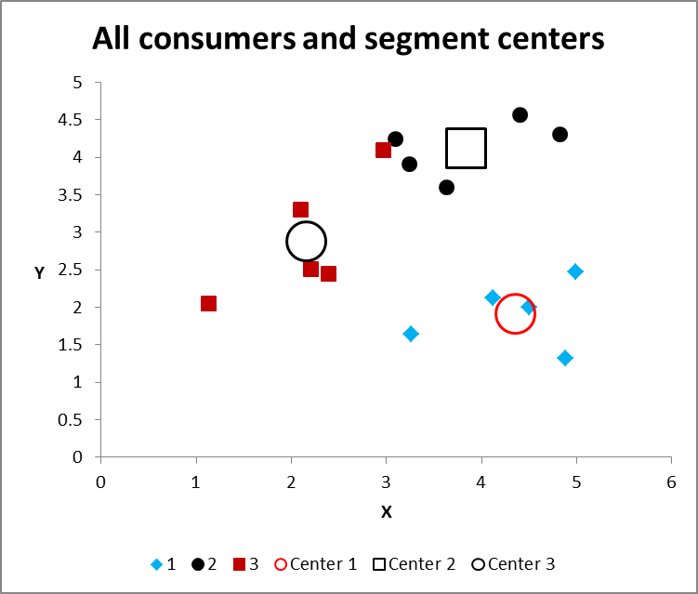
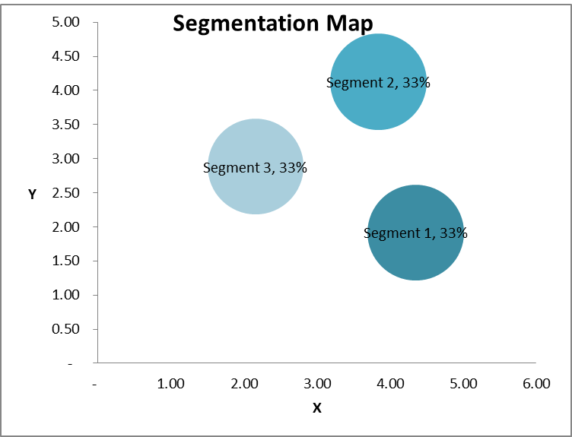
 | How to run cluster analysis in Excel

 | K-means clustering
 | Geoff Fripp
 | Marketing Lecturer, The University of Sydney

 | STEP ONE - Start with your data set |  |  |  |  |  | STEP TWO - If two variables, run a visual check with a scatter graph
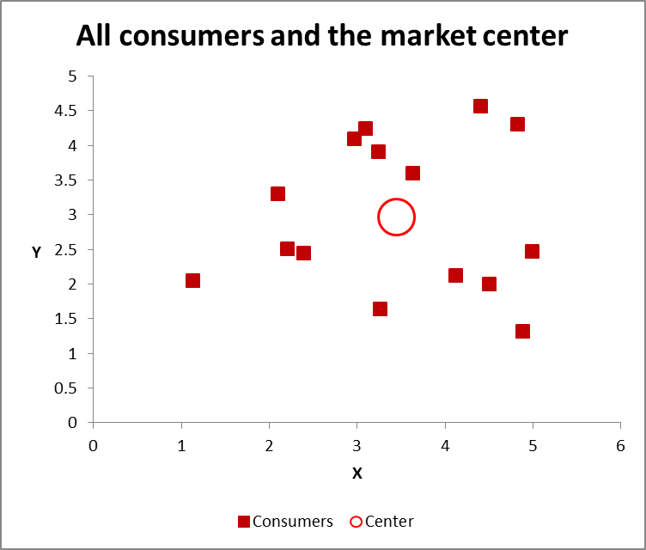
 | Case | X | Y | Z
 | 1 | 4.40 | 4.57 | 2.29
 | 2 | 3.25 | 3.92 | 2.17
 | 3 | 3.10 | 4.25 | 2.40
 | 4 | 4.83 | 4.31 | 2.16
 | 5 | 3.63 | 3.60 | 1.67
Start1 | 6 | 3.26 | 1.64 | 1.48
 | 7 | 4.89 | 1.33 | 1.04
 | 8 | 4.50 | 2.01 | 1.28
Start2 | 9 | 4.99 | 2.47 | 2.60
 | 10 | 4.12 | 2.12 | 1.70
 | 11 | 2.21 | 2.51 | 4.17
 | 12 | 2.97 | 4.10 | 3.92
 | 13 | 2.40 | 2.45 | 4.46
 | 14 | 2.10 | 3.30 | 4.90
Start3 | 15 | 1.13 | 2.05 | 3.28

 | Min | 1.13 | 1.33 | 1.04
 | Max | 4.99 | 4.57 | 4.90
 | Median | 3.26 | 2.51 | 2.29

 | STEP THREE - Work out sum of squares distance and first allocation
 |  | 1 | 2 | 3
 | Case | Start1 | Start2 | Start3 | Min | Initial Choice |  |  | Use =SUMXMY2
 | 1 | 10.54 | 4.84 | 18.07 | 4.84 | 2
 | 2 | 5.64 | 5.30 | 9.19 | 5.30 | 2 |  |  | Case | X | Y | Z
 | 3 | 7.65 | 6.75 | 9.50 | 6.75 | 2 |  |  | 1 | 4.40 | 4.57 | 2.29
 | 4 | 10.01 | 3.58 | 20.05 | 3.58 | 2 |  | Start1 | 6 | 3.26 | 1.64 | 1.48
 | 5 | 4.00 | 3.97 | 11.25 | 3.97 | 2 |  |  | Difference | 1.14 | 2.93 | 0.81
 | 6 | - | 4.91 | 7.95 | - | 1 |  |  | Sqaured | 1.31 | 8.58 | 0.66 | 10.54
 | 7 | 2.94 | 3.75 | 19.67 | 2.94 | 1
 | 8 | 1.72 | 2.18 | 15.40 | 1.72 | 1 |  | Case 1 | =IF(G45=D45,D$43,IF(G45=E45,E$43,IF(G45=F45,F$43,"")))
 | 9 | 4.91 | - | 15.54 | - | 2
 | 10 | 1.02 | 1.67 | 11.47 | 1.02 | 1
 | 11 | 9.09 | 10.19 | 2.18 | 2.18 | 3 |  | Check
 | 12 | 12.10 | 8.50 | 8.02 | 8.02 | 3 |  | Cluster 1 | 4
 | 13 | 10.28 | 10.19 | 3.17 | 3.17 | 3 |  | Cluster 2 | 6
 | 14 | 15.79 | 14.31 | 5.15 | 5.15 | 3 |  | Cluster 3 | 5
 | 15 | 7.95 | 15.54 | - | - | 3 |  | TOTAL | 15

 |  |  |  | SSE | 48.64

 | STEP FOUR - Calculate means of each current cluster

 |  | Cluster 1 |  |  | Cluster 2 |  |  | Cluster 3
Current | Case | X | Y | Z | X | Y | Z | X | Y | Z
2 | 1 |  |  |  | 4.40 | 4.57 | 2.29 |  |  |  |  | Case 1
2 | 2 |  |  |  | 3.25 | 3.92 | 2.17 |  |  |  |  | Cluster 1 | =IF($B66=1,D22,"")
2 | 3 |  |  |  | 3.10 | 4.25 | 2.40 |  |  |  |  | Cluster 2 | =IF($B66=2,D22,"")
2 | 4 |  |  |  | 4.83 | 4.31 | 2.16 |  |  |  |  | Cluster 3 | =IF($B66=3,D22,"")
2 | 5 |  |  |  | 3.63 | 3.60 | 1.67
1 | 6 | 3.26 | 1.64 | 1.48
1 | 7 | 4.89 | 1.33 | 1.04
1 | 8 | 4.50 | 2.01 | 1.28
2 | 9 |  |  |  | 4.99 | 2.47 | 2.60
1 | 10 | 4.12 | 2.12 | 1.70
3 | 11 |  |  |  |  |  |  | 2.21 | 2.51 | 4.17
3 | 12 |  |  |  |  |  |  | 2.97 | 4.10 | 3.92
3 | 13 |  |  |  |  |  |  | 2.40 | 2.45 | 4.46
3 | 14 |  |  |  |  |  |  | 2.10 | 3.30 | 4.90
3 | 15 |  |  |  |  |  |  | 1.13 | 2.05 | 3.28

 | Mean | 4.19 | 1.77 | 1.37 | 4.03 | 3.85 | 2.21 | 2.16 | 2.88 | 4.15

 | Set as named new ranges

 | STEP FIVE - Repeat step three - with new cluster means above

 |  | 1 | 2 | 3
 | Case | Cluster 1 | Cluster 2 | Cluster 3 | Min | Revised Choice |  |  | Use =SUMXMY2
 | 1 | 8.71 | 0.66 | 11.33 | 0.66 | 2
 | 2 | 6.12 | 0.63 | 6.14 | 0.63 | 2 |  |  | Case | X | Y | Z
 | 3 | 8.35 | 1.06 | 5.82 | 1.06 | 2 |  |  | 1 | 4.40 | 4.57 | 2.29
 | 4 | 7.42 | 0.84 | 13.11 | 0.84 | 2 |  | Cluster 1 | 6 | 4.19 | 1.77 | 1.37
 | 5 | 3.73 | 0.53 | 8.82 | 0.53 | 2 |  |  | Difference | 0.21 | 2.80 | 0.92
 | 6 | 0.90 | 6.01 | 9.85 | 0.90 | 1 |  |  | Sqaured | 0.04 | 7.82 | 0.84 | 8.71
 | 7 | 0.79 | 8.49 | 19.52 | 0.79 | 1
 | 8 | 0.16 | 4.50 | 14.48 | 0.16 | 1 |  | Case 1 | =IF(G45=D45,D$43,IF(G45=E45,E$43,IF(G45=F45,F$43,"")))
 | 9 | 2.61 | 2.96 | 10.56 | 2.61 | 1
 | 10 | 0.23 | 3.26 | 10.40 | 0.23 | 1
 | 11 | 12.29 | 8.96 | 0.14 | 0.14 | 3 |  | Check
 | 12 | 13.42 | 4.12 | 2.19 | 2.19 | 3 |  | Cluster 1 | 5
 | 13 | 13.21 | 9.70 | 0.34 | 0.34 | 3 |  | Cluster 2 | 5
 | 14 | 19.14 | 11.26 | 0.75 | 0.75 | 3 |  | Cluster 3 | 5
 | 15 | 13.10 | 12.82 | 2.52 | 2.52 | 3 |  | TOTAL | 15

 |  |  |  | SSE | 14.35

 | STEP SIX+ - Repeat steps four and five - until SSE only has minor improvement

